LIRF Weather 20xx
2008 Hourly and Daily Weather Data from LIRF (CoAgMet GLY 04) Weather Station (corrected)
Column | Comments
Hourly Weather Data
General | Hourly weather data was collected by a standard ET weather station located on a 0.4 Ha grass plot adjacent to the experimental plots. The weather station is part of the Colorado Agricultural Meteorological Network (CoAgMet) and is identified as GLY04. Weather instruments include air temperature, relative humidity, wind speed (2 m above surface), wind direction, and precipitation; and soil temperature at 5 and 15 cm depth. Data is collected and recorded by a Campbell Scientific CR1000 data logger. This dataset has been quality checked. Any erroneous or missing data has been filled from nearby weather stations.
A | Date and Time stamp, Mountain Standard Time, recorded at the end of the period (eg. 6:00 = 5:00 to 6:00). Final hour of the day is the 00:00 reading from the following day.
B | Day of Year
C | Air Temperature (deg C), average for period, measured 1.5 m above ground (Vaisala HMP45C; thermister)
D | Relative Humidity (fraction), average for period, measured 1.5 m above ground (Vaisala HMP45C)
E | Vapor Pressure (kPa), Calculated
F | Solar Radiation (kJ/m^2/min), average for period, measured 2 m above ground (Licor LI-200X pyranometer)
G | Wind Speed (m/s), average for period, measured 2 m above ground (R.M. Young Wind Sentry anemometer)
H | Wind Direction (deg), average for period, measured 2 m above ground (R.M. Young Wind Sentry)
I | Wind Direction (deg), standard deviation for period, measured 2 m above ground (R.M. Young Wind Sentry)
J | Precipitation (mm), total for period, measured 1.5 m above ground (TE525 Tipping bucket raingage). Note that this gage does not accurately measure snow or freezing rain, and these data are not accurate when air temperature is below or near 0 deg C. See Daily worksheet for best estimates of precipitation.
K | Soil Temperature (deg C), average for period, measured 5 cm below a sod covered soil surface (CSI Model 107 Soil Temp Probe (thermister)
L | Soil Temperature (deg C), average for period, measured 15 cm below a sod covered soil surface (CSI Model 107 Soil Temp Probe (thermister)
M | High Wind Gust (m/s), maximum wind gust for period, measured 2 m above ground (R.M. Young Wind Sentry anemometer)
N | High Wind Gust time (minute of day),time of maximum wind gust for period, measured 2 m above ground (R.M. Young Wind Sentry anemometer)
O | High Wind Gust direction (deg), direction of maximum wind gust for period, measured 2 m above ground (R.M. Young Wind Sentry anemometer)
P | Barametric Pressure (kPa), average for period, (not a standard CoAgMet measurement, used for slight improvement to ET calculations). Default value for the location is 85.5 kPa. This measurement is not available for GLY04 until 12/6/08.
Q | AVPT (kPa), Actual vapor pressure, calculated by Tetens method from relative humidity and temperature.
R | SVPT (kPa), Saturated vapor pressure, calculated by Tetens method from relative humidity and temperature.
S | ASCE Standardized Penman Monteith Reference Evapotranspiration for a tall (alfalfa) reference crop. Calculated.
T | ASCE Standardized Penman Monteith Reference Evapotranspiration for a short (grass) reference crop. Calculated.
U | Flag: Indicates and identifies hourly data that has been replaced from nearby station. GLY03 and KSY01 indicate replacement from CoAgMet station Greeley 03 (about 800 m from GLY04; and Kersey 01 respectively. RH and T indicate relative humidity and temperature replacement by data from instruments located in a nearby research plot, usually due to sprinkler irrigation of the weather station grass.
V | ASCE Standardized Penman Monteith Reference Evapotranspiration for a tall (alfalfa) reference crop. Calculated. Daily sum of hourly values.
W | ASCE Standardized Penman Monteith Reference Evapotranspiration for a short (grass) reference crop. Calculated. Daily sum of hourly values.

Daily Weather Data: from the GLY04 station unless otherwise noted
A | Date
B | Day of Year
C | Air Temperature (deg C), average for day, measured 1.5 m above ground (Vaisala HMP45C; thermister)
D | Air Temperature (deg C), maximum for day, measured 1.5 m above ground (Vaisala HMP45C; thermister)
E | Air Temperature (deg C), minimum for day, measured 1.5 m above ground (Vaisala HMP45C; thermister)
F | Vapor Pressure (kPa), average for the day
G | Relative Humidity (fraction),maximum for the day, measured 1.5 m above ground (Vaisala HMP45C)
H | Relative Humidity (fraction), minimum for the day, measured 1.5 m above ground (Vaisala HMP45C)
I | Solar Radiation (kJ/m^2/min), average for the day, measured 2 m above ground (Licor LI-200X pyranometer)
J | Precipitation (mm), total for the day, measured 1.5 m above ground (TE525 Tipping bucket raingage). Note that this gage does not accurately measure snow or freezing rain, and these data are not accurate when air temperature is below or near 0 deg C. See Column P for winter precipitation estimates.
K | Wind Run (km/day), total for the day, measured 2 m above ground (R.M. Young Wind Sentry anemometer)
L | Soil Temperature (deg C), maximum for the day measured 5 cm below a sod covered soil surface (CSI Model 107 Soil Temp Probe (thermister)
M | Soil Temperature (deg C), minimum for the day measured 5 cm below a sod covered soil surface (CSI Model 107 Soil Temp Probe (thermister)
N | Soil Temperature (deg C), maximum for the day, measured 15 cm below a sod covered soil surface (CSI Model 107 Soil Temp Probe (thermister)
O | Soil Temperature (deg C), minimum for the day, measured 15 cm below a sod covered soil surface (CSI Model 107 Soil Temp Probe (thermister)
P | Precipitation (mm), total for the day, measured 1.5 m above ground (TE525 Tipping bucket raingage). These are best estimates for the site based on 3 guages in or near the plots (including GLY04), and using nearby rain and snow measurements for wintertime precipitation.
Q | ASCE Standardized Penman Monteith Reference Evapotranspiration for a tall (alfalfa) reference crop. Calculated. Sum of hourly.
R | ASCE Standardized Penman Monteith Reference Evapotranspiration for a short (grass) reference crop. Calculated. Sum of hourly.
S | Source of data if all or a portion of the hourly data is from a weather station other than GLY04.
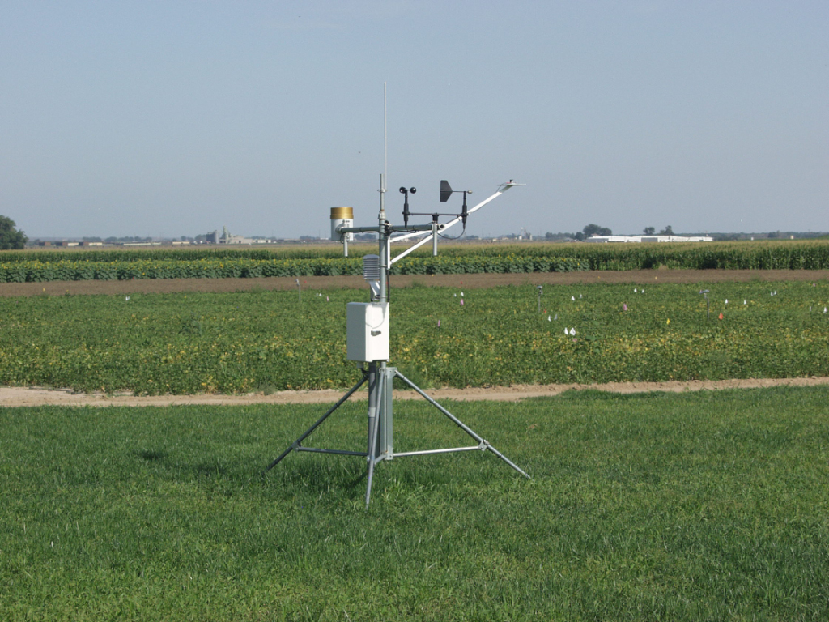

 | Photo of GLY 04 weather station

